Sheet1
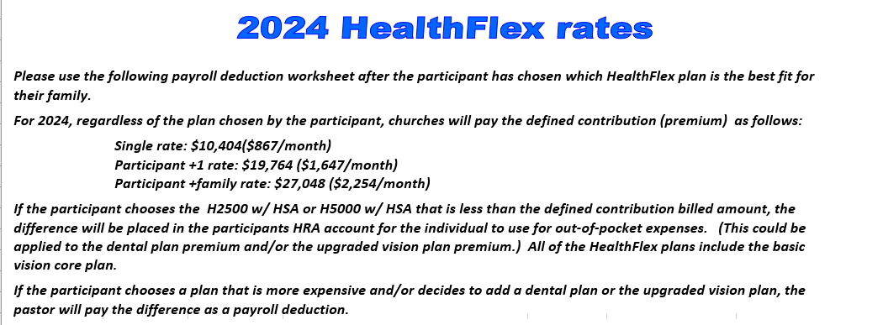
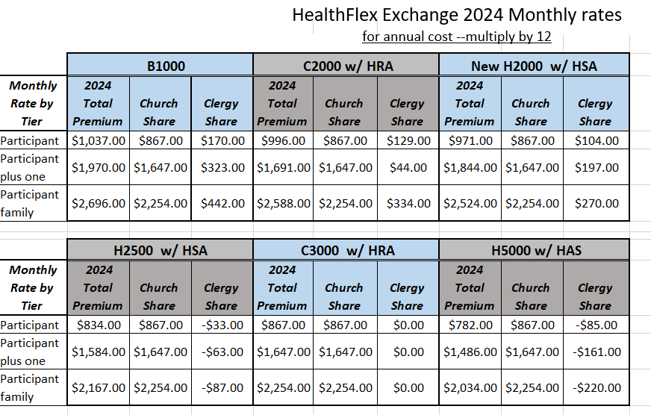
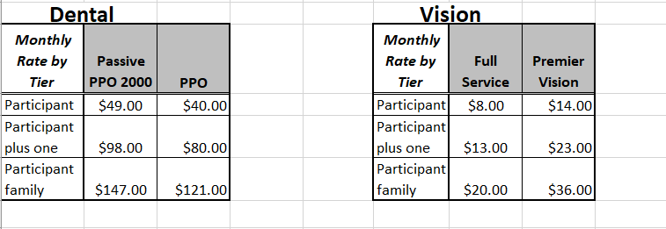
Church/Charge: |  |  |  | Pastor:
Compensation effective date: |  |  |  | Appointment: FT 3/4
Name of person completing this form: |  |  |  |  | Telephone Number:
New Mexico Conference Pastor Compensation Form 2024 2-point charge

Housing | Y or N |  | Parsonage Provided - you must enter "Y" for Yes or "N" for No
 | OK |  | Housing Allowance - Enter the amount paid if there is no parsonage

Taxable Cash payment | 1 |  | Church Contribution to Pastor Salary
 | 2 |  | Equitable Compensation - This is Equitable Compensation contribution to pastor salary.
 | 3 | $0.00 | Cash Allowances (from worksheet 1, line 1H excluding moving expenses) Reminder this is taxable income.
 | 3a | $0.00 | Moving Expenses (from worksheet 1, line 1G) Reminder this is taxable income.
 | 4 | $0.00 | TOTAL OR GROSS CASH PAYMENT - Add Lines 1-3

Basis for Appointment | 5 | $0.00 | Accountable Reimbursements (from worksheet 2, line 2H)
 | 6 | $0.00 | Total Basis for Appointment - add lines 4 and 5

 | 7 | $0.00 | Conference Health Insurance Paid by Local Church (enter X on appropriate line)
 |  |  |  | Pastor only = $10,404/year $867/month
 |  |  |  | Pastor +1 = $19,764/year $1,647/month
 |  |  |  | Pastor + family = $27,048/year $2,254/month
Church Paid Benefits | 8 | $0.00 | Comprehensive Protection Plan (CPP) (fill in appropriate amount for all pastors serving at least 3/4 time)
 |  |  | Parsonage Provided | $0.00 | No Parsonage | $0.00
 | 8a | $0.00 | Comprehensive Protection Plan (CPP) for moving expenses (moving expenses from worksheet 1, line 1G)
 |  |  | Parsonage Provided | $0.00 | No Parsonage | $0.00
 | 9 | $0.00 | Pension Costs (Clergy Retirement Security Plan CRSP DB + DC) (fill in appropriate amount for all pastors serving at least 1/2 time)
 |  |  | Parsonage Provided | $0.00 | No Parsonage | $0.00
 | 9a | $0.00 | Pension Costs (Clergy Retirement Security Plan CRSP DB + DC) for moving expenses (moving expenses from worksheet 1, line 1G)
 |  |  | Parsonage Provided | $0.00 | No Parsonage | $0.00
 | 10 | $0.00 | UMLO "UMLifeOptions" (go to chart on pg 3 for life insurance rates.) fill in the age and yearly premium and it will fill in box 10 for you. THIS LIFE INSURANCE IS NOT OPTIONAL

Total Compensation Package | 11 | $0.00 | housing allowance + total cash payment (line 4) + accountable reimbursement (line 5) + conference health insurance (line7) + CPP (line 8) + CRSP (line 9) + UMLife Options (UMLO) line 10

Housing Exclusion | 12 |  | HOUSING EXCLUSION - DO NOT ADD OR SUBTRACT Housing Exclusion Resolution MUST BE INCLUDED W/COMP FORM.

 |  |  |  | Pastor:

New Mexico Conference Pastor Compensation Form 2024
WORKSHEETS

WORKSHEET 1 - CASH ALLOWANCES
 | (Cash provided up front to the pastor and not vouchered. Please note that the IRS may require receipts in the case of an audit.) Reminder this is taxable income.
Notes | 1A |  | Travel: includes actual expenses for airfare, hotel, etc and/or standard mileage rate (not to exceed IRS rates) for use of personal vehicle.
 | 1B |  | Continuing Education: books, publications, training seminars, etc
 | 1C |  | Membership Fees, Dues and/or Entertainment
 | 1D |  | Other Allowances: including things such as parsonage utilites, insurance and maintenance.
 | 1E |  | Other (give description)
 | 1F |  | Other (give description)
 | 1G |  | Moving Expenses
 | 1H | $0.00 | TOTAL CASH ALLOWANCES - Add lines 1A-1G

WORKSHEET 2 - ACCOUNTABLE REIMBURSEMENTS
 | (This is vouchered, and receipts are required for reimbursement. Please enter the maximum amount that is available for reimbursement)
Notes | 2A | $0.00 | Travel: includes actual expenses for airfare, hotel, etc and/or standard mileage rate (not to exceed IRS rates) for use of personal vehicle. If you have entered this in Worksheet 1, you may not enter it here.
 | 2B | $0.00 | Continuing Education: books, publications, training seminars, etc. If you have entered this in Worksheet 1, you may not enter it here.
 | 2C | $0.00 | Membership Fees, Dues and/or Entertainment If you have entered this in Worksheet 1, you may not enter it here.
 | 2D | $0.00 | Annual Conference Expenses - expenses paid by church
 | 2E |  | Other Reimbursable Expenses - (list with breakdown of dollar amount)
 | 2F |  | Other (give description)
 | 2G |  | Other (give description)
 | 2H | $0.00 | TOTAL ACCOUNTABLE REIMBURSEMENTS - Add lines 2A-2G
 | If this is a two point charge please sign below the church obligation section on page 3.
This form must be signed and accompany the pastor compensation form
Pastor |  |  |  |  | Date
SPRC Chair |  |  |  | * | Date
Finance Chair |  |  |  | * | Date
District Superintendent |  |  |  |  | Date

* By our signature we acknowledge that we have read the Arrearage Policy of the NM Annual Conference. This can be found in the conference journal or with the compensation form instructions (specifically on page 9 paragraph 6).

CHARGE INFORMATION SHEET - Two Point Charge
Grand Total Compensation Summary For the 2 point Charge For 2024 and individual churches' obligation

Church/Charge: |  |  |  | Pastor:

Name of Church 1
Name of Church 2

Church 1 |  | Church 2 |  |  |  | Total Church 1
$ Paid |  | $ Paid |  |  |  | and Church 2
 | line 10 |  | Church Contribution pg 1, line 1 |  |  | $-
 | line 2 |  | Equitable Compensation |  |  | $-
 | line 1G |  | Cash Allowances - From Line 1G (Worksheet 1) |  |  | $-
 | line 2H |  | Accountable Reimbursements - Total 2H (Worksheet 2) |  |  | $-
 | line 7 |  | Conference Health Insurance Pg 1 Line 7 |  |  | $-
 | Housing Allow |  | Pg 1 Housing Allowance amount |  |  | $-
 | line 8 |  | Comprehensive Protection Plan (CPP) |  |  | $-
 | line 9 |  | Clergy Retirement Security Plan (CRSP DB + DC) |  |  | $-
 | line 10 |  | UMLO "UMLifeOptions" |  |  | $-
$0.00 | Total for individual churches | 0.00 |  |  |  | $-
Church 1 | 0 |  |  |  |  | (should match line 11 on page 1)
Pastor |  |  |  |  | Date
SPRC Chair |  |  |  | * | Date
Finance Chair |  |  |  | * | Date
District Superintendent |  |  |  |  | Date

Church 2 | 0
Pastor |  |  |  |  | Date
SPRC Chair |  |  |  | * | Date
Finance Chair |  |  |  | * | Date
District Superintendent |  |  |  |  | Date

 |  |  | UMLO "UM Life Options"
 | Below are the premium rates. It is calculated on the clergy's age and the spouse's age.

For Example: Pastor's age 52
Yearly premium 191.20 Spouse's age 50
Yearly premium 18.28
Total annual premium 202.21
reflected on line 10
Pastor or Spouse age as of Jan. 1, 2024 | Pastor rate $50,000 Death Benefit, $50,000 Accidental Death and Dismemberment | Spouse Rate $5,000 Death Benefit | Calculating UMLO for Line 10
25-29 | $47.22 | 3.63
30-34 | $50.69 | 3.95
35-39 | $57.64 | 4.65 | Pastor's age
40-44 | $78.46 | 6.75 | yearly premium
45-49 | $121.00 | 11.01
50-54 | $191.20 | 18.28
55-59 | $283.60 | 27.52 | Spouse's age
60-64 | $431.20 | 42.28 | yearly premium
65 | $850.00 | 83.76
66 | $889.60 | 88.12 | Total for line 10 | $0.00
67 | $988.00 | 97.96
68 | $1,094.80 | 108.64
69 | $1,213.20 | 120.88
70 | $1,352.20 | 134.38
71 | $1,502.20 | 149.38
72 | $1,646.80 | 163.84

 |  | Payroll deduction worksheet

Church/Charge: |  | 0 |  | Pastor: | 0

 | Error | 0.00 | Parsonage Provided
 | OK | 0.00 | Housing Allowance

 | i. | $0.00 | TOTAL CASH SALARY

 | ii. |  | Pastor's Contribution to Health Insurance Premium = difference of Church contribution and premium
 |  |  | dental plan premium
 |  |  | upgraded vision plan.

 | iii. |  | Flexible Spending Account (FSA/MRA) Or Health Savings account (HSA)
 |  |  | Dependent Care Account
 |  |  | Is the Flexible Spending Account through the Conference Health Insurance Plan? Enter Yes or No

 | iv. | Enter the annual amount in area below | UMPIP Contribution- An automatic pre-tax payroll deduction of 4% of compensation plus housing will be used for contributions to UMPIP (United Methodist Personal Investment Plan). The pastor can elect to have a different % as a contribution to UMPIP, however will have to complete a Contribution Election Form indicating the requested % or to waive out completely. This will be billed by the Board of Pensions on your monthly invoice. For full CRSP pension benefits, the pastor must contribute at least 1% of their compensation plus housing. Please enter a % in the blue shaded area. If a dollar amount is requested instead of a %, please enter that amount in the orange shaded area.
 |  |  |  | Parsonage Provided |  | No Parsonage
 |  |  | 4% contribution | $0.00 | Annual amount | $0.00
 |  |  | Identified % | Parsonage Provided |  | No Parsonage
 |  |  |  | $0.00 | Annual amount | $0.00
 |  |  | Is the UMPIP contribution tax-deferred? Enter Yes or No

 | v. |  | 403B Contribution to Other than UMPIP - This is a contribution to a pension plan held with a bank or investment firm. There must be a voluntary compensation reduction agreement on file with the church and can be a before or after tax contribution.

 | vi. | $0.00 | Total Payroll Deductions - Add lines ii. - v.

 | vii. | $0.00 | Base or Net Salary - Subtract line vi. from line i.

 | Please give a copy of this worksheet to your District Superintendent,
 |  | your church bookkeeper and the Conference Benefits Officer

