Sheet1
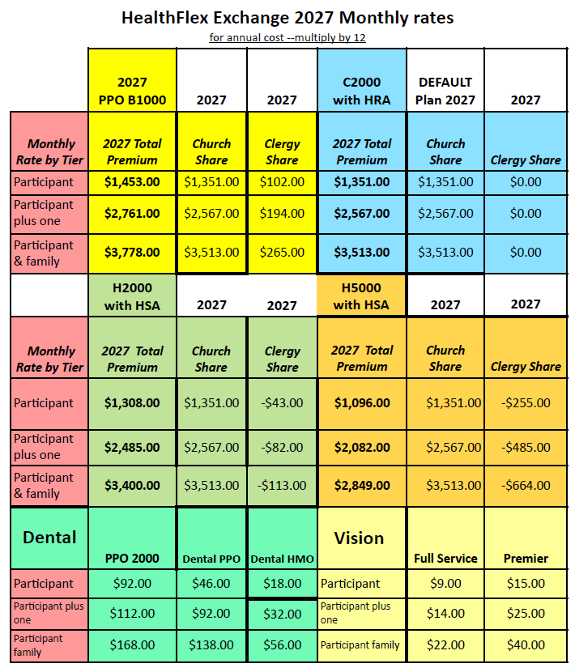
Church/Charge: |  |  |  | Pastor:
Compensation effective date: |  |  |  | Appointment: FT 3/4
Name of person completing this form: |  |  |  | Phone Number:

New Mexico Conference Pastor Compensation Form 2027

Housing | Y or N |  | Parsonage Provided - you must enter "Y" for Yes or "N" for No
 | OK |  | Housing Allowance - Enter the amount paid if there is no parsonage

Taxable Cash payment | 1 |  | Church Contribution to Pastor Salary
 | 2 |  | Equitable Compensation - This is Equitable Compensation contribution to pastor salary.
 |  |  | Cash Allowances (Cash provided up front to the pastor and not vouchered. Please note that the IRS may require receipts in the case of an audit.) Reminder this is taxable income.
 |  |  | Travel: includes actual expenses for airfare, hotel, etc and/or standard mileage rate (not to exceed IRS rates) for use of personal vehicle.
 |  |  | Continuing Education: books, publications, training seminars, etc
 |  |  | Membership Fees, Dues and/or Entertainment
 |  |  | Other Allowances: including things such as parsonage utilites, insurance and maintenance.
 |  |  | Other (description)
 | 3 | $0.00 | Cash Allowances Annual Total Reminder this is taxable income.
 | 4 | $0.00 | TOTAL OR GROSS CASH PAYMENT - Add Lines 1-3

Basis for Appointment |  |  | Accountable Reimbursements (This is vouchered, and receipts are required for reimbursement. Please enter the maximum amount that is available for reimbursement)
 |  |  | Travel: includes actual expenses for airfare, hotel, etc and/or standard mileage rate (not to exceed IRS rates) for use of personal vehicle. If you have entered this in Worksheet 1, you may not enter it here.
 |  |  | Continuing Education: books, publications, training seminars, etc. If you have entered this in Worksheet 1, you may not enter it here.
 |  |  | Membership Fees, Dues and/or Entertainment If you have entered this in Worksheet 1, you may not enter it here.
 |  |  | Annual Conference Expenses - expenses paid by church
 |  |  | Other (moving expenses here)
 |  |  | Other Reimbursable Expenses - (list with breakdown of dollar amount)
 | 5 | $0.00 | Accountable Reimbursements
 | 6 | $0.00 | Total Basis for Appointment - add lines 4 and 5

 | 7 | $0.00 | Conference Health Insurance Paid by Local Church (enter X on appropriate line)
 |  |  |  | Pastor only = $16,212/year $1351/month
 |  |  |  | Pastor +1 = $30,804/year $2,567/month
 |  |  |  | Pastor + family = $42,156/year $3,513/month
Church Paid Benefits | 8 | $0.00 | Comprehensive Protection Plan (CPP) (fill in appropriate amount for all Full Elders serving at least 3/4 time)
 |  |  | Parsonage Provided | $0.00 | No Parsonage | $0.00
 | 9 | $1,800.00 | COMPASS Pension Costs (All pastors serving at least 1/2 time. This entry is pulled from the COMPASS Calculation page. This amount is the church's obligation)
 | 10 | $0.00 | UMLO "UMLifeOptions" (go to chart on pg 3 for life insurance rates.) fill in the age and yearly premium and it will fill in box 10 for you. THIS LIFE INSURANCE IS NOT OPTIONAL

Total Compensation Package | 11 | $1,800.00 | housing allowance + total cash payment (line 4) + accountable reimbursement (line 5) + conference health insurance (line7) + CPP (line 8) + COMPASS (line 9) + UMLife Options (UMLO) line 10

Housing Exclusion | 12 |  | HOUSING EXCLUSION - DO NOT ADD OR SUBTRACT Housing Exclusion Resolution MUST BE INCLUDED W/COMP FORM.

COMPASS Calulation for Direct Contribution Pension/Payroll deduction worksheet | COMPASS Calculation for Direct Contribution Pension

Church/Charge: |  | 0 |  | Pastor: | 0

 |  | 0.00 | Parsonage or Housing Value (35% of cash salary for parsonage)
 |  | 0.00 | Total salary for pension calculations

 | i. |  | COMPASS Church Contributions (Annual)
 |  | $1,800.00 | Standard 150.00 per month
 |  | $0.00 | 3% Pension Base
 |  | $0.00 | COMPASS Match
 |  | $1,800.00 | Total Annual Church Contribution to COMPASS Benefits

 | iv. | The annual amount that the participant is contributing is to be entered manually in the green cell below. This amount is the participant's payroll deduction. | COMPASS Contribution- An automatic pre-tax payroll deduction of 4% of compensation plus housing will be used for contributions to COMPASS. The pastor can elect to have a different % as a contribution to COMPASS, however will have to contact the Conference Benefit Oficer in writing (email is fine) indicating the requested % or to waive out completely. This will be billed by the Board of Pensions on the church's monthly invoice as a payroll deduction.
 |  |  |  | Parsonage Provided |  | No Parsonage
 |  |  | 4% contribution | $0.00 | Annual amount | $0.00
 |  |  | Identified % | Parsonage Provided |  | No Parsonage
 |  |  |  | $0.00 | Annual amount | $0.00
 |  |  | For maximum COMPASS pension benefits, the pastor must contribute 4% of their compensation plus housing. The church will match up to 4% of Clergy's contribution to UMPIP. If a lower percentage is requested, the church must match that % amount. A higher percentage can be requested, however the maximum matching amount is 4%. Enter the amount to be included with the church's COMPASS payment in the orange cell
 | v. |  | 403B Contribution to Other than COMPASS - This is a payroll deduction contribution to a pension plan held with a bank or investment firm. There must be a voluntary compensation reduction agreement on file with the church and can be a before or after tax contribution.
This form must be signed and a copy submitted to the Conference Benefits Officer
Pastor |  |  |  |  | Date
SPRC Chair |  |  |  | * | Date
Finance Chair |  |  |  | * | Date
District Superintendent |  |  |  |  | Date

* By our signature we acknowledge that we have read the Arrearage Policy of the NM Annual Conference. This can be found in the conference journal under the Conference Structure, Policies, & Procedures, Section 2635.

 |  |  | Rates for UMLO "UM Life Options"
 | Below are the premium rates. It is calculated on the clergy's age and the spouse's age.

For Example: Pastor's age 52
Yearly premium 191.20 Spouse's age 50
Yearly premium 18.28
Total annual premium 202.21
reflected on line 10
Pastor or Spouse age as of Jan. 1, 2025 | Pastor rate $50,000 Death Benefit, $50,000 Accidental Death and Dismemberment | Spouse Rate $5,000 Death Benefit | Calculating UMLO for Line 10
25-29 | $47.22 | 3.63
30-34 | $50.69 | 3.95
35-39 | $57.64 | 4.65 | Pastor's age
40-44 | $78.46 | 6.75 | yearly premium
45-49 | $121.00 | 11.01
50-54 | $191.20 | 18.28
55-59 | $283.60 | 27.52 | Spouse's age
60-64 | $431.20 | 42.28 | yearly premium
65 | $850.00 | 83.76
66 | $889.60 | 88.12 | Total for line 10 | $0.00
67 | $988.00 | 97.96
68 | $1,094.80 | 108.64
69 | $1,213.20 | 120.88
70 | $1,352.20 | 134.38
71 | $1,502.20 | 149.38
72 | $1,646.80 | 163.84

Payroll deductions
Health Benefits are provided by HealthFlex through Wespath. The annual amount listed on Line 7 is the default
premium that the church is to pay based on the the number of people covered and is part of the overall
compensation package. Any premium that is over that amount will be a payroll deduction.
Other payroll deductions that will be relayed to the church are elected Dental and/or Vision premiums.
Employee contributions to a Flexible Spending account will also be identified as a payroll deduction.
These amounts will be finalized after Open Enrollment for Health Flex.

COMPASS is the determined amount that the pastor will contribute to their pension plan. The annual amount
is identified in the green shaded box in section iv. This is a payroll deduction.
The orange box contains the up to 4% of cash salary match the church will contribute as part of the
total COMPASS cost.

